NatGas_Data 3_Production
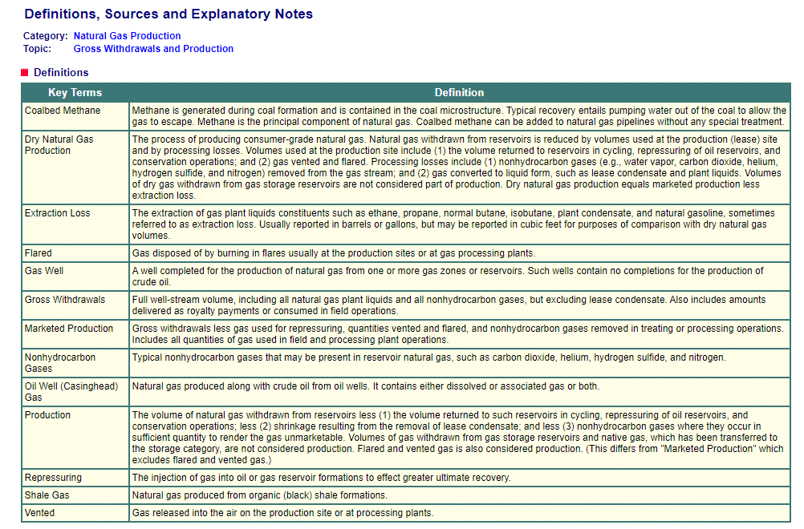
Back to Contents | Data 3: Production
Sourcekey | NA1170_SCA_8 | NGM_EPG0_XDC_SCA_COUNT | N9010CA2 | N9011CA2 | N9012CA2 | NGM_EPG0_FGS_SCA_MMCF | NGM_EPG0_FGC_SCA_MMCF | N9020CA2 | N9030CA2 | N9040CA2 | N9050CA2 | NA1180_SCA_2 | NA1150_SCA_2 | NA1160_SCA_2
Date | California Natural Gas Number of Gas and Gas Condensate Wells (Count) | California Natural Gas Number of Oil Wells (Count) | California Natural Gas Gross Withdrawals (MMcf) | California Natural Gas Gross Withdrawals from Gas Wells (MMcf) | California Natural Gas Gross Withdrawals from Oil Wells (MMcf) | California Natural Gas Gross Withdrawals from Shale Gas (Million Cubic Feet) | California Natural Gas Gross Withdrawals from Coalbed Wells (MMcf) | California Natural Gas Repressuring (MMcf) | California Nonhydrocarbon Gases Removed from Natural Gas (MMcf) | California Natural Gas Vented and Flared (MMcf) | California Natural Gas Marketed Production (MMcf) | California Natural Gas Processed (Million Cubic Feet) | California Natural Gas Plant Liquids Production (Million Cubic Feet) | California Dry Natural Gas Production (Million Cubic Feet)
2015-06-30 | 4210 | 27080 | 236648 | 42658 | 69168 | 124822 | 0 | 0 | 0 | 0 | 236648 | 150561 | 12470 | 224178
2016-06-30 | 3997 | 25088 | 205025 | 29370 | 57157 | 118498 | 0 |  |  |  | 205025 | 120313 | 10597 | 194428
2017-06-30 | 3768 | 24690 | 212458 | 41835 | 58962 | 111662 | 0 | 0 | 0 | 0 | 212458 | 100780 | 9465 | 202993
2018-06-30 | 3631 | 40368 | 202617 | 45984 | 39959 | 116671 | 2 | 0 | 0 | 0 | 202617 | 92272 | 9397 | 193220
2019-06-30 | 3627 | 42965 | 196823 | 38831 | 45270 | 112721 | 1 | 0 | 0 | 0 | 196823 | 88856 | 8733 | 188090
2020-06-30 | 3583 | 41923 | 170579 | 28581 | 39528 | 102469 | 1 | 0 | 0 | 0 | 170579 | 81643 | 7838 | 162741
2021-06-30 |  |  | 140003 |  |  |  |  |  |  |  | 140003
 |  |  |  |  |  |  |  |  |  | Natural Gas Production (dry production)
 |  |  |  |  |  |  | 1.03E+09 | BTU/MMcf | 2015-06-30 | 2.31E+14
 |  |  |  |  |  |  |  |  | 2016-06-30 | 2.00E+14
 |  |  |  |  |  |  |  |  | 2017-06-30 | 2.09E+14
 |  |  |  |  |  |  |  |  | 2018-06-30 | 1.99E+14
 |  |  |  |  |  |  |  |  | 2019-06-30 | 1.94E+14
 |  |  |  |  |  |  |  |  | 2020-06-30 | 1.68E+14

 |  |  |  |  |  | https://www.eia.gov/dnav/ng/TblDefs/ng_prod_sum_tbldef2.asp

CA_ImportsExports
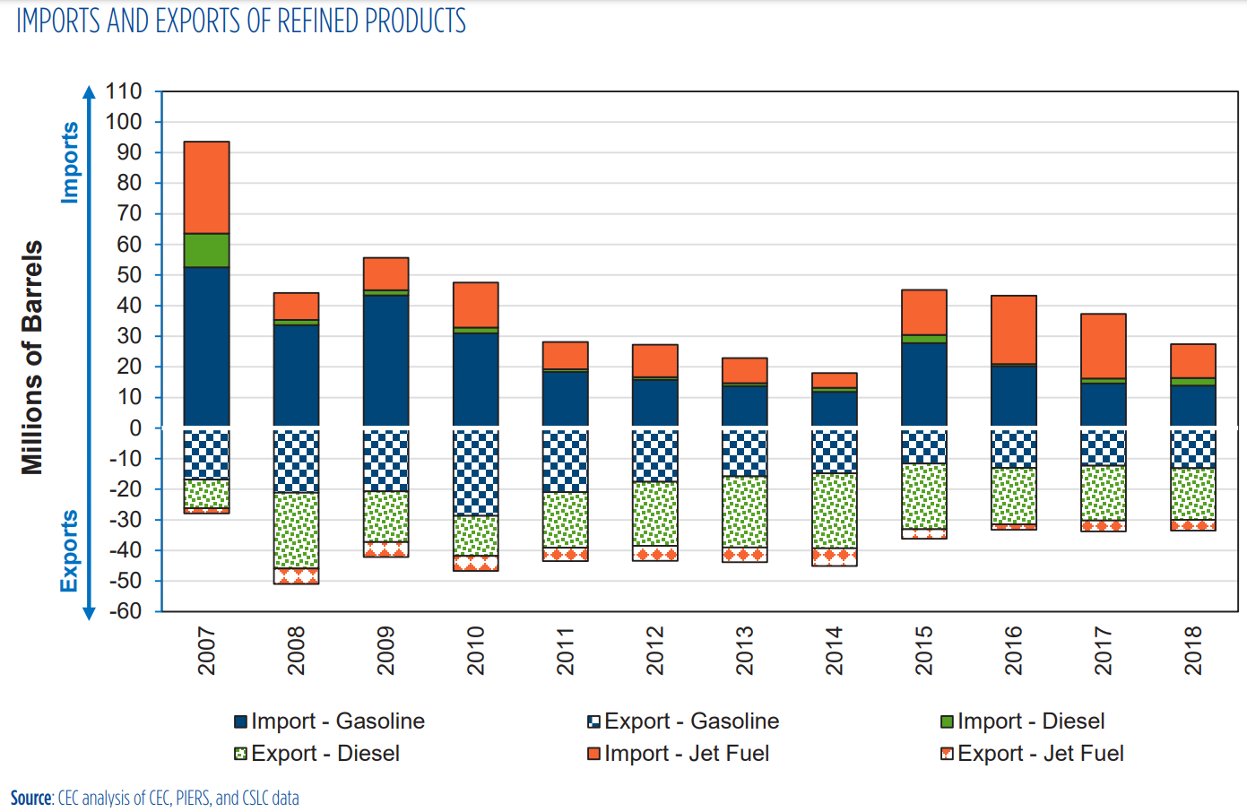
https://www.energy.ca.gov/sites/default/files/2020-03/March_2020_Petroleum_Watch.pdf
 |  |  |  |  | Scale:
 |  |  |  |  | Million Barrels | Pixels | Barrels/Pixel
 |  |  |  |  | 10 | 35 | 2.86E+05

 |  |  |  |  | Year 2018
 |  |  |  |  | Imports | Pixels | Barrels | Gallons | BTU
 |  |  |  |  | Gasoline | 48 | 1.37E+07 | 5.76E+08 | 6.46E+13
 |  |  |  |  | Diesel | 8 | 2.29E+06 | 9.60E+07 | 1.23E+13
 |  |  |  |  | Jet Fuel | 38 | 1.09E+07 | 4.56E+08 | 5.67E+13

 |  |  |  |  | Exports | Pixels | Barrels | Gallons | BTU
 |  |  |  |  | Gasoline | 46 | 1.31E+07 | 5.52E+08 | 6.19E+13
 |  |  |  |  | Diesel | 59 | 1.69E+07 | 7.08E+08 | 9.09E+13
 |  |  |  |  | Jet Fuel | 12 | 3.43E+06 | 1.44E+08 | 1.79E+13

Imports: using pixel counter data above
Exports: using CARB data
Set 2018 = 2019 & 2020
Scaled 2020-2050 using variable in EPS: Total Primary Energy Use
Data Source: | Imports | 2018 | 2019 | 2020 | 2021 | 2022 | 2023 | 2024 | 2025 | 2026 | 2027 | 2028 | 2029 | 2030 | 2031 | 2032 | 2033 | 2034 | 2035 | 2036 | 2037 | 2038 | 2039 | 2040 | 2041 | 2042 | 2043 | 2044 | 2045 | 2046 | 2047 | 2048 | 2049 | 2050
Pixel Counter | Gasoline | 6.46E+13 | 6.46E+13 | 6.46E+13 | 7.27E+13 | 7.21E+13 | 7.14E+13 | 7.01E+13 | 6.87E+13 | 6.72E+13 | 6.56E+13 | 6.40E+13 | 6.22E+13 | 6.02E+13 | 5.80E+13 | 5.58E+13 | 5.38E+13 | 5.17E+13 | 4.98E+13 | 4.78E+13 | 4.57E+13 | 4.33E+13 | 4.09E+13 | 3.84E+13 | 3.61E+13 | 3.38E+13 | 3.18E+13 | 2.98E+13 | 2.80E+13 | 2.65E+13 | 2.51E+13 | 2.39E+13 | 2.29E+13 | 2.20E+13
Pixel Counter | Diesel | 1.23E+13 | 1.23E+13 | 1.23E+13 | 1.23E+13 | 1.22E+13 | 1.19E+13 | 1.17E+13 | 1.15E+13 | 1.13E+13 | 1.11E+13 | 1.09E+13 | 1.06E+13 | 1.03E+13 | 1.03E+13 | 1.02E+13 | 1.02E+13 | 1.02E+13 | 1.01E+13 | 1.02E+13 | 1.01E+13 | 1.01E+13 | 1.01E+13 | 1.01E+13 | 1.00E+13 | 1.01E+13 | 1.01E+13 | 1.01E+13 | 1.01E+13 | 1.02E+13 | 1.03E+13 | 1.03E+13 | 1.05E+13 | 1.06E+13
Pixel Counter | Jet Fuel | 5.67E+13 | 5.67E+13 | 5.67E+13 | 7.64E+13 | 8.45E+13 | 8.76E+13 | 8.89E+13 | 8.98E+13 | 8.96E+13 | 8.93E+13 | 8.93E+13 | 8.91E+13 | 8.92E+13 | 8.96E+13 | 9.02E+13 | 9.09E+13 | 9.16E+13 | 9.23E+13 | 9.27E+13 | 9.30E+13 | 9.34E+13 | 9.38E+13 | 9.45E+13 | 9.51E+13 | 9.59E+13 | 9.68E+13 | 9.77E+13 | 9.85E+13 | 9.92E+13 | 9.98E+13 | 1.00E+14 | 1.01E+14 | 1.01E+14

 | Exports | 2018 | 2019 | 2020 | 2021 | 2022 | 2023 | 2024 | 2025 | 2026 | 2027 | 2028 | 2029 | 2030 | 2031 | 2032 | 2033 | 2034 | 2035 | 2036 | 2037 | 2038 | 2039 | 2040 | 2041 | 2042 | 2043 | 2044 | 2045 | 2046 | 2047 | 2048 | 2049 | 2050
CARB | Gasoline |  |  | 190652692406400 | 204228332713440 | 2.14E+14 | 2.13E+14 | 2.09E+14 | 2.06E+14 | 2.02E+14 | 1.98E+14 | 1.93E+14 | 1.88E+14 | 1.83E+14 | 1.76E+14 | 1.69E+14 | 1.63E+14 | 1.57E+14 | 1.51E+14 | 1.45E+14 | 1.39E+14 | 1.31E+14 | 1.24E+14 | 1.17E+14 | 1.09E+14 | 1.03E+14 | 9.64E+13 | 9.04E+13 | 8.51E+13 | 8.03E+13 | 7.62E+13 | 7.26E+13 | 6.95E+13 | 6.69E+13
CARB | Diesel |  |  | 2.5000573659E+14 | 2.3151909817E+14 | 3.09E+14 | 3.34E+14 | 3.58E+14 | 3.81E+14 | 4.04E+14 | 4.25E+14 | 4.45E+14 | 4.64E+14 | 4.81E+14 | 4.76E+14 | 4.71E+14 | 4.65E+14 | 4.61E+14 | 4.56E+14 | 4.51E+14 | 4.44E+14 | 4.38E+14 | 4.32E+14 | 4.27E+14 | 4.22E+14 | 4.18E+14 | 4.13E+14 | 4.08E+14 | 4.04E+14 | 4.03E+14 | 4.03E+14 | 4.03E+14 | 4.06E+14 | 4.09E+14
Pixel Counter | Jet Fuel | 1.79E+13 | 1.79E+13 | 1.79E+13 | 2.41E+13 | 2.67E+13 | 2.77E+13 | 2.81E+13 | 2.84E+13 | 2.83E+13 | 2.82E+13 | 2.82E+13 | 2.81E+13 | 2.82E+13 | 2.83E+13 | 2.85E+13 | 2.87E+13 | 2.89E+13 | 2.91E+13 | 2.93E+13 | 2.94E+13 | 2.95E+13 | 2.96E+13 | 2.98E+13 | 3.00E+13 | 3.03E+13 | 3.06E+13 | 3.08E+13 | 3.11E+13 | 3.13E+13 | 3.15E+13 | 3.17E+13 | 3.18E+13 | 3.19E+13

Source: | EPS: Total Primary Energy Use |  |  | 2020 | 2021 | 2022 | 2023 | 2024 | 2025 | 2026 | 2027 | 2028 | 2029 | 2030 | 2031 | 2032 | 2033 | 2034 | 2035 | 2036 | 2037 | 2038 | 2039 | 2040 | 2041 | 2042 | 2043 | 2044 | 2045 | 2046 | 2047 | 2048 | 2049 | 2050
EPS | hard coal |  |  | 94240100000000 | 93324500000000 | 92423800000000 | 91520400000000 | 90607300000000 | 89694000000000 | 88779300000000 | 87865700000000 | 86950800000000 | 86060500000000 | 85169400000000 | 84279200000000 | 83390000000000 | 82499600000000 | 81605600000000 | 80727900000000 | 80745100000000 | 80736800000000 | 80729300000000 | 80723300000000 | 80717600000000 | 80713800000000 | 80708600000000 | 80703500000000 | 80698500000000 | 63104300000000 | 66617800000000 | 63097200000000 | 59575800000000 | 56054600000000 | 52533900000000
EPS | natural gas |  |  | 2.08883E+15 | 2.19983E+15 | 2.21875E+15 | 2.24479E+15 | 2.14984E+15 | 2.16297E+15 | 2.16032E+15 | 2.15111E+15 | 2.1326E+15 | 2.11379E+15 | 2.0899E+15 | 2.07133E+15 | 2.03831E+15 | 1.95972E+15 | 1.90413E+15 | 1.86925E+15 | 1.81535E+15 | 1.78929E+15 | 1.76057E+15 | 1.7373E+15 | 1.73737E+15 | 1.70353E+15 | 1.71687E+15 | 1.72387E+15 | 1.73866E+15 | 1.75039E+15 | 1.75926E+15 | 1.77566E+15 | 1.78693E+15 | 1.80108E+15 | 1.81189E+15
EPS | nuclear |  |  | 184185000000000 | 184185000000000 | 184185000000000 | 184185000000000 | 92092700000000 | 0 | 0 | 0 | 0 | 0 | 0 | 0 | 0 | 0 | 0 | 0 | 0 | 0 | 0 | 0 | 0 | 0 | 0 | 0 | 0 | 0 | 0 | 0 | 0 | 0 | 0
EPS | biomass |  |  | 105561000000000 | 107618000000000 | 109823000000000 | 111355000000000 | 117670000000000 | 121593000000000 | 122750000000000 | 123832000000000 | 123793000000000 | 124883000000000 | 125897000000000 | 127209000000000 | 129046000000000 | 131929000000000 | 134214000000000 | 136498000000000 | 138972000000000 | 140840000000000 | 142932000000000 | 144800000000000 | 146892000000000 | 148985000000000 | 150180000000000 | 151226000000000 | 152122000000000 | 152496000000000 | 153467000000000 | 154214000000000 | 155036000000000 | 155708000000000 | 156381000000000
EPS | petroleum gasoline |  |  | 1.49239E+15 | 1.6794E+15 | 1.66541E+15 | 1.64896E+15 | 1.61909E+15 | 1.58688E+15 | 1.5511E+15 | 1.51424E+15 | 1.47709E+15 | 1.43659E+15 | 1.38944E+15 | 1.33976E+15 | 1.28792E+15 | 1.24299E+15 | 1.19496E+15 | 1.1501E+15 | 1.10409E+15 | 1.05431E+15 | 1.00041E+15 | 944039000000000 | 887855000000000 | 832623000000000 | 780821000000000 | 733505000000000 | 688076000000000 | 647335000000000 | 611280000000000 | 579716000000000 | 552368000000000 | 528963000000000 | 508816000000000
EPS | petroleum diesel |  |  | 490765000000000 | 489335000000000 | 484572000000000 | 474440000000000 | 465909000000000 | 457288000000000 | 449823000000000 | 440778000000000 | 432714000000000 | 422302000000000 | 409861000000000 | 408633000000000 | 407015000000000 | 405522000000000 | 404914000000000 | 403644000000000 | 404437000000000 | 402791000000000 | 401638000000000 | 400562000000000 | 400271000000000 | 398549000000000 | 400542000000000 | 400399000000000 | 401977000000000 | 401211000000000 | 405330000000000 | 408315000000000 | 411386000000000 | 416311000000000 | 420731000000000
EPS | biofuel gasoline |  |  | 115097000000000 | 129909000000000 | 129214000000000 | 128320000000000 | 126372000000000 | 124227000000000 | 121787000000000 | 119243000000000 | 116661000000000 | 113632000000000 | 110225000000000 | 106284000000000 | 102172000000000 | 98607400000000 | 94797000000000 | 91238300000000 | 87588800000000 | 83639300000000 | 79363300000000 | 74891700000000 | 70434600000000 | 66053000000000 | 61943500000000 | 58189800000000 | 54585900000000 | 51353900000000 | 48493600000000 | 45989600000000 | 43820000000000 | 41963300000000 | 40365000000000
EPS | biofuel diesel |  |  | 84691700000000 | 95914700000000 | 104545000000000 | 113199000000000 | 121305000000000 | 129109000000000 | 136844000000000 | 144049000000000 | 150912000000000 | 157246000000000 | 162987000000000 | 161379000000000 | 159506000000000 | 157571000000000 | 156191000000000 | 154458000000000 | 152619000000000 | 150438000000000 | 148266000000000 | 146302000000000 | 144539000000000 | 142814000000000 | 141536000000000 | 139763000000000 | 138158000000000 | 136996000000000 | 136611000000000 | 136503000000000 | 136556000000000 | 137403000000000 | 138445000000000
EPS | jet fuel or kerosene |  |  | 41846500000000 | 56401100000000 | 62366200000000 | 64706800000000 | 65608600000000 | 66308400000000 | 66141300000000 | 65915800000000 | 65917200000000 | 65786600000000 | 65881600000000 | 66144700000000 | 66597600000000 | 67088600000000 | 67594900000000 | 68113200000000 | 68419000000000 | 68632400000000 | 68934700000000 | 69268000000000 | 69739300000000 | 70199900000000 | 70789700000000 | 71428200000000 | 72112300000000 | 72694700000000 | 73220000000000 | 73642300000000 | 74006800000000 | 74306000000000 | 74642700000000
EPS | crude oil |  |  | 2.811E+15 | 3.57607E+15 | 3.57609E+15 | 3.57612E+15 | 3.57615E+15 | 3.57616E+15 | 3.57618E+15 | 3.57619E+15 | 3.57621E+15 | 3.57635E+15 | 3.57647E+15 | 3.57659E+15 | 3.57672E+15 | 3.57684E+15 | 3.57696E+15 | 3.57707E+15 | 3.57719E+15 | 3.57717E+15 | 3.57715E+15 | 3.57714E+15 | 3.57713E+15 | 3.57712E+15 | 3.57711E+15 | 3.57709E+15 | 3.57707E+15 | 3.57707E+15 | 3.57705E+15 | 3.57705E+15 | 3.57704E+15 | 3.57703E+15 | 3.57703E+15
EPS | heavy or residual fuel oil |  |  | 19892000000000 | 23181300000000 | 23174400000000 | 28523800000000 | 30128500000000 | 31500100000000 | 31701000000000 | 32620200000000 | 32039000000000 | 33294700000000 | 36590100000000 | 37676200000000 | 39051700000000 | 40349700000000 | 41464000000000 | 42733000000000 | 42012700000000 | 43601100000000 | 44459300000000 | 46032900000000 | 47005300000000 | 49505300000000 | 49889700000000 | 51393200000000 | 52022000000000 | 55039200000000 | 55074700000000 | 56386700000000 | 57907500000000 | 59501100000000 | 60686600000000
EPS | LPG propane or butane |  |  | 52019500000000 | 51001100000000 | 49002500000000 | 49724700000000 | 49919400000000 | 50077600000000 | 49895900000000 | 49985000000000 | 49660600000000 | 49159900000000 | 48903000000000 | 48465400000000 | 48005300000000 | 47789700000000 | 47541500000000 | 47171300000000 | 46764300000000 | 46473700000000 | 46172400000000 | 45867400000000 | 45624900000000 | 45499500000000 | 45523200000000 | 45672700000000 | 45771900000000 | 45923900000000 | 46000700000000 | 46243500000000 | 46475000000000 | 46717300000000 | 46959000000000

 | Time Scaling Factors from 2020-2050: |  |  | 2020 | 2021 | 2022 | 2023 | 2024 | 2025 | 2026 | 2027 | 2028 | 2029 | 2030 | 2031 | 2032 | 2033 | 2034 | 2035 | 2036 | 2037 | 2038 | 2039 | 2040 | 2041 | 2042 | 2043 | 2044 | 2045 | 2046 | 2047 | 2048 | 2049 | 2050
EPS | hard coal |  |  | 1 | 0.99028439062 | 0.98072688802 | 0.97114073521 | 0.96145165381 | 0.95176045017 | 0.94205439086 | 0.93236000386 | 0.92265182231 | 0.91320467614 | 0.90374904101 | 0.89430295596 | 0.8848674821 | 0.87541927481 | 0.86593286722 | 0.85661942209 | 0.85680193463 | 0.85671386172 | 0.85663427776 | 0.8565706106 | 0.85651012679 | 0.85646980426 | 0.85641462605 | 0.85636050896 | 0.85630745298 | 0.66961198046 | 0.70689441119 | 0.66953664098 | 0.63217038182 | 0.5948062449 | 0.55744741357
EPS | natural gas |  |  | 1 | 1.053139796 | 1.0621974981 | 1.074663807 | 1.0292077383 | 1.0354935538 | 1.034224901 | 1.0298157342 | 1.0209543141 | 1.011949273 | 1.0005122485 | 0.99162210424 | 0.97581421178 | 0.93819027877 | 0.91157729447 | 0.89487895137 | 0.86907503243 | 0.85659914881 | 0.84284982502 | 0.83170961735 | 0.83174312893 | 0.81554267221 | 0.82192902247 | 0.82528018077 | 0.83236069953 | 0.83797628337 | 0.84222267968 | 0.85007396485 | 0.85546932972 | 0.86224345686 | 0.86741860276
EPS | nuclear |  |  | 1 | 1 | 1 | 1 | 0.50000108586 | 0 | 0 | 0 | 0 | 0 | 0 | 0 | 0 | 0 | 0 | 0 | 0 | 0 | 0 | 0 | 0 | 0 | 0 | 0 | 0 | 0 | 0 | 0 | 0 | 0 | 0
EPS | biomass |  |  | 1 | 1.0194863633 | 1.0403747596 | 1.0548876953 | 1.1147109254 | 1.1518742717 | 1.162834759 | 1.1730847567 | 1.1727153021 | 1.1830410852 | 1.1926469056 | 1.2050757382 | 1.2224779985 | 1.2497892214 | 1.2714354733 | 1.2930722521 | 1.316508938 | 1.3342048673 | 1.3540227925 | 1.3717187219 | 1.3915366471 | 1.4113640454 | 1.4226845142 | 1.4325934768 | 1.44108146 | 1.4446244352 | 1.4538229081 | 1.4608993852 | 1.468686352 | 1.4750523394 | 1.4814278
EPS | petroleum gasoline |  |  | 1 | 1.125309068 | 1.1159348428 | 1.1049122548 | 1.0848973794 | 1.0633145491 | 1.0393395828 | 1.0146409451 | 0.98974798813 | 0.96261030964 | 0.93101669135 | 0.89772780573 | 0.86299157727 | 0.8328855058 | 0.80070222931 | 0.77064306247 | 0.73981331957 | 0.70645742735 | 0.67034086264 | 0.63256856452 | 0.59492156876 | 0.55791247596 | 0.52320171001 | 0.49149686074 | 0.46105642627 | 0.43375726184 | 0.40959802733 | 0.38844805982 | 0.37012309115 | 0.35444019325 | 0.34094037081
EPS | petroleum diesel |  |  | 1 | 0.99708618178 | 0.9873809257 | 0.96673560665 | 0.94935254144 | 0.93178608907 | 0.91657514289 | 0.89814473322 | 0.88171324361 | 0.86049738673 | 0.8351471682 | 0.83264495227 | 0.82934805864 | 0.82630586941 | 0.82506698725 | 0.82247919065 | 0.8240950353 | 0.82074108789 | 0.8183916946 | 0.81619919921 | 0.81560624739 | 0.81209743971 | 0.81615844651 | 0.81586706468 | 0.81908245291 | 0.8175216244 | 0.82591464346 | 0.8319969843 | 0.83825456176 | 0.84828991472 | 0.85729626196
EPS | biofuel gasoline |  |  | 1 | 1.1286914516 | 1.1226530665 | 1.1148857051 | 1.0979608504 | 1.0793243959 | 1.058124886 | 1.0360217903 | 1.0135885384 | 0.98727160569 | 0.95767048663 | 0.92342980269 | 0.88770341538 | 0.8567330165 | 0.82362702764 | 0.79270788987 | 0.7609998523 | 0.7266853176 | 0.6895340452 | 0.65068333666 | 0.61195860883 | 0.57388984943 | 0.53818518293 | 0.50557182203 | 0.47425997202 | 0.44617930963 | 0.42132809717 | 0.39957253447 | 0.38072234724 | 0.36459073651 | 0.35070418864
EPS | biofuel diesel |  |  | 1 | 1.1325159372 | 1.2344184849 | 1.3366008712 | 1.4323127296 | 1.5244587132 | 1.6157899771 | 1.7008632487 | 1.7818983442 | 1.8566872551 | 1.9244742991 | 1.9054877869 | 1.8833722785 | 1.8605247031 | 1.8442303083 | 1.8237678545 | 1.8020538022 | 1.7763015738 | 1.7506556132 | 1.7274656194 | 1.7066489396 | 1.6862809461 | 1.6711909195 | 1.6502561644 | 1.6313050748 | 1.617584722 | 1.613038822 | 1.6117636085 | 1.6123894077 | 1.6223903877 | 1.6346938366
EPS | jet fuel or kerosene |  |  | 1 | 1.3478092553 | 1.4903564217 | 1.5462894149 | 1.5678396043 | 1.5845626277 | 1.5805694622 | 1.57518072 | 1.5752141756 | 1.5720932456 | 1.5743634474 | 1.5806507115 | 1.5914735999 | 1.6032069588 | 1.6153059396 | 1.6276916827 | 1.6349993428 | 1.640098933 | 1.6473229541 | 1.655287778 | 1.6665503686 | 1.6775572629 | 1.6916516316 | 1.7069097774 | 1.7232576201 | 1.737175152 | 1.7497281732 | 1.7598198177 | 1.7685302236 | 1.7756801644 | 1.7837262376
EPS | crude oil |  |  | 1 | 1.2721700462 | 1.2721771612 | 1.2721878335 | 1.2721985059 | 1.2722020633 | 1.2722091782 | 1.2722127357 | 1.2722198506 | 1.2722696549 | 1.2723123444 | 1.2723550338 | 1.2724012807 | 1.2724439701 | 1.2724866596 | 1.2725257915 | 1.272568481 | 1.2725613661 | 1.2725542512 | 1.2725506937 | 1.2725471363 | 1.2725435788 | 1.2725400213 | 1.2725329064 | 1.2725257915 | 1.2725257915 | 1.2725186766 | 1.2725186766 | 1.2725151192 | 1.2725115617 | 1.2725115617
EPS | heavy or residual fuel oil |  |  | 1 | 1.1653579328 | 1.1650110597 | 1.4339332395 | 1.5146038608 | 1.5835562035 | 1.593655741 | 1.6398652725 | 1.6106474965 | 1.6737733762 | 1.839437965 | 1.8940378041 | 1.9631862055 | 2.0284385683 | 2.0844560627 | 2.148250553 | 2.1120400161 | 2.1918912125 | 2.2350341846 | 2.3141413634 | 2.3630253368 | 2.4887040016 | 2.5080283531 | 2.5836115021 | 2.6152221999 | 2.7669012668 | 2.7686859039 | 2.8346420672 | 2.9110949125 | 2.9912075206 | 3.0508043435
EPS | LPG propane or butane |  |  | 1 | 0.98042272609 | 0.94200251829 | 0.9558857736 | 0.95962860081 | 0.96266976807 | 0.95917684714 | 0.96088966638 | 0.95465354338 | 0.94502830669 | 0.94008977403 | 0.931677544 | 0.92283278386 | 0.91868818424 | 0.91391689655 | 0.90680033449 | 0.89897634541 | 0.89338997876 | 0.88759792001 | 0.88173473409 | 0.87707302069 | 0.87466238622 | 0.8751179846 | 0.87799190688 | 0.87989888407 | 0.88282086525 | 0.88429723469 | 0.88896471515 | 0.89341496939 | 0.89807283807 | 0.90271917262
E3 - PATHWAYS | Conventional Diesel & Conventional Gasoline / Conventional Ethanol |  |  | 1 | 1.0904904362 | 1.0616987472 | 1.0316969133 | 1.0006399544 | 0.96846882184 | 0.93680715828 | 0.90543512983 | 0.87376871914 | 0.84330393879 | 0.81337544395 | 0.78936399638 | 0.76702595697 | 0.74609657125 | 0.72685883989 | 0.70908784588 | 0.69423822799 | 0.68095382552 | 0.66947599592 | 0.65946670534 | 0.65105097263 | 0.64641256549 | 0.64307222983 | 0.64137008783 | 0.64092023505 | 0.64129600594 | 0.63186299593 | 0.63049326407 | 0.62889388394 | 0.6265934922 | 0.6238603044

 | Time Scaling Factors from 2022-2050: |  |  |  | 2021 | 2022 | 2023 | 2024 | 2025 | 2026 | 2027 | 2028 | 2029 | 2030 | 2031 | 2032 | 2033 | 2034 | 2035 | 2036 | 2037 | 2038 | 2039 | 2040 | 2041 | 2042 | 2043 | 2044 | 2045 | 2046 | 2047 | 2048 | 2049 | 2050
EPS | hard coal |  |  |  | 1 | 0.99034872943 | 0.99022546141 | 0.98034597149 | 0.97046431763 | 0.96056751616 | 0.95068261638 | 0.94078365096 | 0.93115085075 | 0.92150939477 | 0.91187767653 | 0.90225677802 | 0.89262289583 | 0.88295006265 | 0.87345359096 | 0.87363969021 | 0.8735498865 | 0.87346873857 | 0.87340382023 | 0.8733421478 | 0.87330103285 | 0.87324477029 | 0.87318958969 | 0.87313549107 | 0.68277110441 | 0.72078620442 | 0.68269428437 | 0.64459370855 | 0.60649529667 | 0.56840229465
EPS | natural gas |  |  |  | 1 | 1.0086006646 | 1.011736338 | 0.96894197183 | 0.97485971831 | 0.97366535211 | 0.9695143662 | 0.96117183099 | 0.95269408451 | 0.94192676056 | 0.9335571831 | 0.91867492958 | 0.88325408451 | 0.85819943662 | 0.84247887324 | 0.81818591549 | 0.80644056338 | 0.79349633803 | 0.7830084507 | 0.78304 | 0.76778816901 | 0.77380056338 | 0.77695549296 | 0.78362140845 | 0.78890816901 | 0.79290591549 | 0.80029746479 | 0.80537690141 | 0.8117543662 | 0.81662647887
EPS | nuclear |  |  |  | 1 | 1 | 1 | 0.50000108586 | 0 | 0 | 0 | 0 | 0 | 0 | 0 | 0 | 0 | 0 | 0 | 0 | 0 | 0 | 0 | 0 | 0 | 0 | 0 | 0 | 0 | 0 | 0 | 0 | 0 | 0
EPS | biomass |  |  |  | 1 | 1.0204891375 | 1.0139497191 | 1.0714513353 | 1.1071724502 | 1.117707584 | 1.1275598008 | 1.1272046839 | 1.1371297451 | 1.1463627838 | 1.1583092795 | 1.1750361946 | 1.2012875263 | 1.2220937326 | 1.2428908334 | 1.2654179908 | 1.2824271783 | 1.3014760114 | 1.3184851989 | 1.337534032 | 1.3565919707 | 1.3674731158 | 1.3769975324 | 1.3851561148 | 1.3885615946 | 1.3974030941 | 1.404204948 | 1.4116897189 | 1.4178086557 | 1.4239366981
EPS | petroleum gasoline |  |  |  | 1 | 0.99166964392 | 0.9901225524 | 0.97218702902 | 0.95284644622 | 0.93136224713 | 0.90922955909 | 0.88692273975 | 0.86260440372 | 0.83429305696 | 0.80446256477 | 0.77333509466 | 0.74635675299 | 0.71751700782 | 0.69058069785 | 0.66295386722 | 0.63306332975 | 0.60069892699 | 0.56685080551 | 0.53311496869 | 0.49995076288 | 0.46884610997 | 0.44043508806 | 0.41315712047 | 0.38869407533 | 0.36704475174 | 0.34809206141 | 0.33167087984 | 0.31761728343 | 0.30551996205
EPS | petroleum diesel |  |  |  | 1 | 0.99026638193 | 0.97909082654 | 0.96148559966 | 0.94369464187 | 0.92828929447 | 0.90962333771 | 0.8929818479 | 0.87149484494 | 0.84582064172 | 0.8432864466 | 0.83994741751 | 0.83686634803 | 0.83561163253 | 0.83299076298 | 0.83462725869 | 0.83123044666 | 0.8288510273 | 0.82663051105 | 0.8260299811 | 0.82247632963 | 0.82658923751 | 0.82629413173 | 0.82955061374 | 0.8279698373 | 0.83647012209 | 0.84263019737 | 0.84896774886 | 0.85913135716 | 0.86825280866
EPS | biofuel gasoline |  |  |  | 1 | 0.99465010122 | 0.99308124507 | 0.97800547928 | 0.9614051109 | 0.94252170817 | 0.9228334391 | 0.90285108425 | 0.87940935193 | 0.85304224 | 0.82254244896 | 0.79071927191 | 0.7631324779 | 0.73364341325 | 0.70610227994 | 0.67785843639 | 0.647292863 | 0.61420047363 | 0.57959431641 | 0.54510037612 | 0.51119073785 | 0.47938690854 | 0.45033665083 | 0.42244571022 | 0.3974329407 | 0.37529679446 | 0.35591808937 | 0.33912733914 | 0.32475815314 | 0.31238875044
EPS | biofuel diesel |  |  |  | 1 | 1.0899789083 | 1.0827777512 | 1.1603137405 | 1.2349610216 | 1.3089482998 | 1.3778659907 | 1.4435123631 | 1.5040987135 | 1.5590128653 | 1.5436319288 | 1.5257161988 | 1.5072074226 | 1.4940073652 | 1.4774307714 | 1.4598402602 | 1.4389784303 | 1.4182026878 | 1.3994165192 | 1.3825529676 | 1.3660528959 | 1.3538284949 | 1.3368692907 | 1.3215170501 | 1.3104022191 | 1.3067195944 | 1.3056865465 | 1.3061935052 | 1.3142952795 | 1.3242622794
EPS | jet fuel or kerosene |  |  |  | 1 | 1.1057621217 | 1.0375299441 | 1.0519896995 | 1.0632105211 | 1.0605311852 | 1.0569154446 | 1.0569378926 | 1.0548438096 | 1.0563670706 | 1.0605857019 | 1.0678476482 | 1.0757205025 | 1.0838386819 | 1.0921492732 | 1.0970525701 | 1.1004742954 | 1.1053214722 | 1.1106657132 | 1.1182226911 | 1.1256081018 | 1.1350651475 | 1.1453030648 | 1.1562721474 | 1.165610539 | 1.1740333706 | 1.1808046666 | 1.1866491786 | 1.191446649 | 1.1968454066
EPS | crude oil |  |  |  | 1 | 1.0000055927 | 1.0000083891 | 1.0000167781 | 1.0000195745 | 1.0000251672 | 1.0000279635 | 1.0000335562 | 1.0000727051 | 1.0001062613 | 1.0001398175 | 1.0001761701 | 1.0002097263 | 1.0002432825 | 1.0002740423 | 1.0003075985 | 1.0003020058 | 1.0002964131 | 1.0002936168 | 1.0002908204 | 1.0002880241 | 1.0002852277 | 1.000279635 | 1.0002740423 | 1.0002740423 | 1.0002684496 | 1.0002684496 | 1.0002656533 | 1.0002628569 | 1.0002628569
EPS | heavy or residual fuel oil |  |  |  | 1 | 0.99970234629 | 1.2308322977 | 1.3000768089 | 1.3592628072 | 1.3679318558 | 1.4075963132 | 1.3825169152 | 1.4367017053 | 1.5789017191 | 1.6257680889 | 1.6851223764 | 1.7411324565 | 1.7892156863 | 1.8439743855 | 1.8128926747 | 1.8814338235 | 1.918466066 | 1.9863685791 | 2.028328673 | 2.1362063311 | 2.1527935998 | 2.2176712234 | 2.244804612 | 2.375 | 2.3765318627 | 2.4331460577 | 2.4987701947 | 2.5675357291 | 2.6186913146
EPS | LPG propane or butane |  |  |  | 1 | 0.96081260992 | 1.0147380236 | 1.0187112902 | 1.021939697 | 1.0182317229 | 1.0200499974 | 1.013429927 | 1.003212081 | 0.99796949135 | 0.98903933473 | 0.97965001786 | 0.97525024233 | 0.97018519463 | 0.96263047804 | 0.95432477935 | 0.94839446967 | 0.94224580379 | 0.93602163155 | 0.93107290444 | 0.92851385133 | 0.92899750013 | 0.93204836488 | 0.93407275139 | 0.93717463395 | 0.93874190092 | 0.94369675017 | 0.94842099893 | 0.95336564461 | 0.95829804602

 | Time Scaling Factors from 2021-2050: |  |  |  | 2021 | 2022 | 2023 | 2024 | 2025 | 2026 | 2027 | 2028 | 2029 | 2030 | 2031 | 2032 | 2033 | 2034 | 2035 | 2036 | 2037 | 2038 | 2039 | 2040 | 2041 | 2042 | 2043 | 2044 | 2045 | 2046 | 2047 | 2048 | 2049 | 2050
EPS | natural gas |  |  |  | 1 | 1.0086006646 | 1.0204379429 | 0.97727551674 | 0.98324415978 | 0.98203952124 | 0.97785283408 | 0.96943854752 | 0.96088788679 | 0.95002795671 | 0.94158639531 | 0.92657614452 | 0.89085065664 | 0.86558052213 | 0.84972475146 | 0.82522285813 | 0.81337648818 | 0.80032093389 | 0.78974284377 | 0.78977466441 | 0.77439165754 | 0.78045576249 | 0.78363782656 | 0.79036107336 | 0.79569330357 | 0.79972543333 | 0.80718055486 | 0.81230367801 | 0.81873599324 | 0.82365000932

